Data
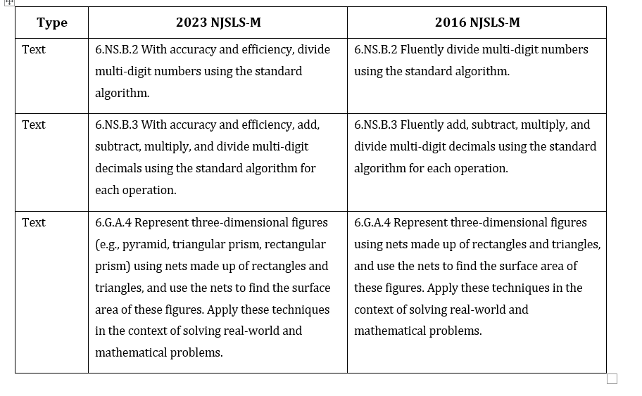
Year | Difficulty Order Most to Least | Evidence Statement | Common Core State Standard(s) | Domain | Item Type | District Student Count
2023 | 15 | 6.C.9 | 5.NBT. 5.MD.C | C- Reasoning-SHK | Math - Type II | 198
2024 | 4 | 6.C.9 | 5.NBT. 5.MD.C | C- Reasoning-SHK | Math - Type II | 106
2025 | 19 | 6.C.9 | 5.NBT. 5.MD.C | C- Reasoning-SHK | Math - Type II | 201
2023 | 16 | 6.D.2 | 5.NBT.B, 5.NF, 5.MD, 5.G.A | D- Modeling- SHK | Math - Type III | 198
2024 | 18 | 6.D.2 | 5.NBT.B, 5.NF, 5.MD, 5.G.A | D- Modeling- SHK | Math - Type III | 216
2025 | 8 | 6.D.2 | 5.NBT.B, 5.NF, 5.MD, 5.G.A | D- Modeling- SHK | Math - Type III | 201
2023 | 47 | 6.EE.1-1 | 6.EE.A.1 | Expressions & Equations | Math - Type I | 108
2024 | 28 | 6.EE.1-1 | 6.EE.A.1 | Expressions & Equations | Math - Type I | 106
2024 | 45 | 6.EE.1-2 | 6.EE.A.1 | Expressions & Equations | Math - Type I | 216
2023 | 24 | 6.EE.2a | 6.EE.A.2.A | Expressions & Equations | Math - Type I | 198
2024 | 39 | 6.EE.2a | 6.EE.A.2.A | Expressions & Equations | Math - Type I | 106
2023 | 37 | 6.EE.2c-1 | 6.EE.A.2.C | Expressions & Equations | Math - Type I | 90
2024 | 2 | 6.EE.2c-1 | 6.EE.A.2.C | Expressions & Equations | Math - Type I | 0
2025 | 40 | 6.EE.2c-1 | 6.EE.A.2.C | Expressions & Equations | Math - Type I | 86
2025 | 35 | 6.EE.2c-2 | 6.EE.A.2.C | Expressions & Equations | Math - Type I | 86
2023 | 8 | 6.C.7 | 6.EE.A.4 | C- Reasoning- OGL | Math - Type II | 0
2024 | 24 | 6.C.7 | 6.EE.A.4 | C- Reasoning- OGL | Math - Type II | 110
2025 | 11 | 6.C.7 | 6.EE.A.4 | C- Reasoning- OGL | Math - Type II | 0
2023 | 3 | 6.EE.4 | 6.EE.A.4 | Expressions & Equations | Math - Type I | 198
2024 | 8 | 6.EE.4 | 6.EE.A.4 | Expressions & Equations | Math - Type I | 110
2025 | 23 | 6.EE.4 | 6.EE.A.4 | Expressions & Equations | Math - Type I | 201
2023 | 33 | 6.C.6 | 6.EE.B | C- Reasoning- OGL | Math - Type II | 198
2024 | 38 | 6.C.6 | 6.EE.B | C- Reasoning- OGL | Math - Type II | 216
2025 | 25 | 6.C.6 | 6.EE.B | C- Reasoning- OGL | Math - Type II | 115
2023 | 46 | 6.EE.5-1 | 6.EE.B.5 | Expressions & Equations | Math - Type I | 108
2024 | 32 | 6.EE.5-1 | 6.EE.B.5 | Expressions & Equations | Math - Type I | 110
2025 | 42 | 6.EE.5-1 | 6.EE.B.5 | Expressions & Equations | Math - Type I | 115
2023 | 25 | 6.EE.5-2 | 6.EE.B.5 | Expressions & Equations | Math - Type I | 0
2024 | 29 | 6.EE.5-2 | 6.EE.B.5 | Expressions & Equations | Math - Type I | 0
2025 | 1 | 6.EE.5-2 | 6.EE.B.5 | Expressions & Equations | Math - Type I | 115
2023 | 13 | 6.EE.6 | 6.EE.B.6 | Expressions & Equations | Math - Type I | 0
2024 | 44 | 6.EE.6 | 6.EE.B.6 | Expressions & Equations | Math - Type I | 106
2025 | 13 | 6.EE.6 | 6.EE.B.6 | Expressions & Equations | Math - Type I | 0
2023 | 23 | 6.EE.7 | 6.EE.B.7 | Expressions & Equations | Math - Type I | 108
2024 | 20 | 6.EE.7 | 6.EE.B.7 | Expressions & Equations | Math - Type I | 110
2025 | 43 | 6.EE.7 | 6.EE.B.7 | Expressions & Equations | Math - Type I | 201
2023 | 36 | 6.EE.8 | 6.EE.B.8 | Expressions & Equations | Math - Type I | 90
2024 | 41 | 6.EE.8 | 6.EE.B.8 | Expressions & Equations | Math - Type I | 110
2025 | 39 | 6.EE.8 | 6.EE.B.8 | Expressions & Equations | Math - Type I | 201
2023 | 21 | 6.EE.9 | 6.EE.C.9 | Expressions & Equations | Math - Type I | 198
2024 | 30 | 6.EE.9 | 6.EE.C.9 | Expressions & Equations | Math - Type I | 216
2025 | 27 | 6.EE.9 | 6.EE.C.9 | Expressions & Equations | Math - Type I | 86
2025 | 22 | 6.C.8-2 | 6.EE.C.9 | Modeling and Reasoning | Math - Type II | 86
2023 | 4 | 6.G.1 | 6.G.A.1 | Geometry | Math - Type I | 198
2025 | 7 | 6.G.1 | 6.G.A.1 | Geometry | Math - Type I | 201
2023 | 1 | 6.G.2-1 | 6.G.A.2 | Geometry | Math - Type I | 198
2024 | 21 | 6.G.2-1 | 6.G.A.2 | Geometry | Math - Type I | 216
2025 | 4 | 6.G.2-1 | 6.G.A.2 | Geometry | Math - Type I | 201
2023 | 17 | 6.G.2-2 | 6.G.A.2 | Geometry | Math - Type I | 0
2024 | 9 | 6.G.2-2 | 6.G.A.2 | Geometry | Math - Type I | 0
2025 | 18 | 6.G.2-2 | 6.G.A.2 | Geometry | Math - Type I | 0
2024 | 31 | 6.G.3 | 6.G.A.3 | Geometry | Math - Type I | 216
2023 | 5 | 6.C.2 | 6.NS.A.1 | C- Reasoning- OGL | Math - Type II | 0
2024 | 17 | 6.C.2 | 6.NS.A.1 | C- Reasoning- OGL | Math - Type II | 216
2025 | 5 | 6.C.2 | 6.NS.A.1 | C- Reasoning- OGL | Math - Type II | 0
2023 | 10 | 6.C.3 | 6.NS.A.1 | C- Reasoning- OGL | Math - Type II | 108
2023 | 22 | 6.NS.1-2 | 6.NS.A.1 | The Number System | Math - Type I | 198
2024 | 19 | 6.NS.1-2 | 6.NS.A.1 | The Number System | Math - Type I | 216
2025 | 17 | 6.NS.1-2 | 6.NS.A.1 | The Number System | Math - Type I | 201
2024 | 10 | 6.Int.1 | 6.NS.B.2 | The Number System | Math - Type I | 106
2023 | 28 | 6.NS.2 | 6.NS.B.2 | The Number System | Math - Type I | 108
2024 | 35 | 6.NS.2 | 6.NS.B.2 | The Number System | Math - Type I | 216
2025 | 32 | 6.NS.2 | 6.NS.B.2 | The Number System | Math - Type I | 86
2025 | 34 | 6.Int.1 | 6.NS.B.3 | The Number System | Math - Type I | 115
2023 | 45 | 6.NS.3-1 | 6.NS.B.3 | The Number System | Math - Type I | 198
2024 | 43 | 6.NS.3-1 | 6.NS.B.3 | The Number System | Math - Type I | 106
2025 | 45 | 6.NS.3-1 | 6.NS.B.3 | The Number System | Math - Type I | 86
2024 | 23 | 6.NS.3-3 | 6.NS.B.3 | The Number System | Math - Type I | 110
2023 | 18 | 6.NS.3-4 | 6.NS.B.3 | The Number System | Math - Type I | 0
2024 | 22 | 6.NS.3-4 | 6.NS.B.3 | The Number System | Math - Type I | 0
2025 | 15 | 6.NS.3-4 | 6.NS.B.3 | The Number System | Math - Type I | 115
2023 | 31 | 6.NS.4-1 | 6.NS.B.4 | The Number System | Math - Type I | 198
2024 | 12 | 6.NS.4-1 | 6.NS.B.4 | The Number System | Math - Type I | 110
2023 | 40 | 6.NS.4-2 | 6.NS.B.4 | The Number System | Math - Type I | 90
2024 | 26 | 6.NS.4-2 | 6.NS.B.4 | The Number System | Math - Type I | 0
2025 | 30 | 6.NS.4-2 | 6.NS.B.4 | The Number System | Math - Type I | 201
2023 | 41 | 6.NS.5 | 6.NS.C.5 | The Number System | Math - Type I | 90
2024 | 5 | 6.NS.5 | 6.NS.C.5 | The Number System | Math - Type I | 0
2025 | 44 | 6.NS.5 | 6.NS.C.5 | The Number System | Math - Type I | 201
2025 | 28 | 6.C.4 | 6.NS.C.6, 6.NS.C.7 | C- Reasoning- OGL | Math - Type II | 86
2023 | 7 | 6.C.5 | 6.NS.C.6, 6.NS.C.8 | C- Reasoning- OGL | Math - Type II | 90
2023 | 26 | 6.NS.6a | 6.NS.C.6.A | The Number System | Math - Type I | 90
2024 | 6 | 6.NS.6a | 6.NS.C.6.A | The Number System | Math - Type I | 216
2025 | 31 | 6.NS.6a | 6.NS.C.6.A | The Number System | Math - Type I | 86
2023 | 34 | 6.NS.6b-1 | 6.NS.C.6.B | The Number System | Math - Type I | 198
2024 | 14 | 6.NS.6b-1 | 6.NS.C.6.B | The Number System | Math - Type I | 0
2025 | 24 | 6.NS.6b-1 | 6.NS.C.6.B | The Number System | Math - Type I | 86
2023 | 19 | 6.NS.6b-2 | 6.NS.C.6.B | The Number System | Math - Type I | 108
2024 | 27 | 6.NS.6b-2 | 6.NS.C.6.B | The Number System | Math - Type I | 216
2025 | 16 | 6.NS.6b-2 | 6.NS.C.6.B | The Number System | Math - Type I | 115
2023 | 44 | 6.NS.6c-1 | 6.NS.C.6.C | The Number System | Math - Type I | 108
2025 | 41 | 6.NS.6c-1 | 6.NS.C.6.C | The Number System | Math - Type I | 115
2024 | 46 | 6.NS.6c-2 | 6.NS.C.6.C | The Number System | Math - Type I | 216
2024 | 25 | 6.NS.7a | 6.NS.C.7.A | The Number System | Math - Type I | 110
2023 | 39 | 6.NS.7b | 6.NS.C.7.B | The Number System | Math - Type I | 90
2024 | 42 | 6.NS.7b | 6.NS.C.7.B | The Number System | Math - Type I | 106
2023 | 6 | 6.NS.7c-1 | 6.NS.C.7.C | The Number System | Math - Type I | 0
2024 | 3 | 6.NS.7c-1 | 6.NS.C.7.C | The Number System | Math - Type I | 0
2025 | 3 | 6.NS.7c-1 | 6.NS.C.7.C | The Number System | Math - Type I | 0
2023 | 9 | 6.NS.8 | 6.NS.C.8 | The Number System | Math - Type I | 108
2025 | 10 | 6.NS.8 | 6.NS.C.8 | The Number System | Math - Type I | 201
2023 | 2 | 6.D.1 | 6.RP, 6.NS, 6.EE | D- Modeling- OGL | Math - Type III | 198
2024 | 7 | 6.D.1 | 6.RP, 6.NS, 6.EE | D- Modeling- OGL | Math - Type III | 216
2025 | 6 | 6.D.1 | 6.RP, 6.NS, 6.EE | D- Modeling- OGL | Math - Type III | 201
2023 | 12 | 6.D.3 | 6.RP, 6.NS, 6.EE | D- Modeling- OGL | Math - Type III | 198
2024 | 1 | 6.D.3 | 6.RP, 6.NS, 6.EE | D- Modeling- OGL | Math - Type III | 216
2025 | 12 | 6.D.3 | 6.RP, 6.NS, 6.EE | D- Modeling- OGL | Math - Type III | 201
2025 | 21 | 6.C.8-1 | 6.RP.A | C- Reasoning- OGL | Math - Type II | 115
2023 | 38 | 6.RP.1 | 6.RP.A.1 | Ratios & Proportional Relationships | Math - Type I | 90
2024 | 15 | 6.RP.1 | 6.RP.A.1 | Ratios & Proportional Relationships | Math - Type I | 216
2025 | 33 | 6.RP.1 | 6.RP.A.1 | Ratios & Proportional Relationships | Math - Type I | 201
2023 | 42 | 6.RP.2 | 6.RP.A.2 | Ratios & Proportional Relationships | Math - Type I | 108
2023 | 20 | 6.RP.3a | 6.RP.A.3.A | Ratios & Proportional Relationships | Math - Type I | 198
2024 | 40 | 6.RP.3a | 6.RP.A.3.A | Ratios & Proportional Relationships | Math - Type I | 106
2023 | 30 | 6.RP.3b | 6.RP.A.3.B | Ratios & Proportional Relationships | Math - Type I | 198
2024 | 33 | 6.RP.3b | 6.RP.A.3.B | Ratios & Proportional Relationships | Math - Type I | 216
2025 | 37 | 6.RP.3b | 6.RP.A.3.B | Ratios & Proportional Relationships | Math - Type I | 201
2023 | 29 | 6.RP.3c-1 | 6.RP.A.3.C | Ratios & Proportional Relationships | Math - Type I | 0
2024 | 36 | 6.RP.3c-1 | 6.RP.A.3.C | Ratios & Proportional Relationships | Math - Type I | 216
2025 | 36 | 6.RP.3c-1 | 6.RP.A.3.C | Ratios & Proportional Relationships | Math - Type I | 201
2023 | 14 | 6.RP.3c-2 | 6.RP.A.3.C | Ratios & Proportional Relationships | Math - Type I | 90
2024 | 16 | 6.RP.3c-2 | 6.RP.A.3.C | Ratios & Proportional Relationships | Math - Type I | 106
...

Mod 10- Area
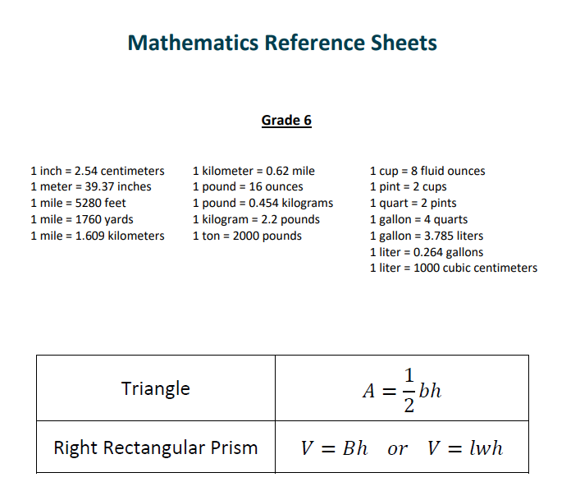
Grade 6- Module
6.G.1: Find area of triangles, trapezoids, and other polygons by composing into rectangles or decomposing into triangles and quadrilaterals. Apply these techniques in the context of solving real-world and mathematical problems. Note: The inclusive definition of a trapezoid will be utilized, which defines a trapezoid as “A quadrilateral with at least one pair of parallel sides.” (This definition includes parallelograms.) 6.G.3: Draw polygons in the coordinate plane given coordinates for the vertices. Use coordinates to find the length of a side joining points with the same first coordinate or the same second coordinate. Apply these techniques in the context of solving real-world and mathematical problems.
Standard | Resource | Learning Target | Success criteria | Possible Misconceptions | Notes
6.G.3 | KEMS Lesson 27 – Polygons in the Coordinate Plane (S330–S333) | I can draw polygons in the coordinate plane and determine missing vertices for the polygons. | • I can plot points on a coordinate plane. • I can connect points to create polygons. • I can identify relationships between points. • I can label coordinates for vertices. • I can use graph structure to confirm shapes. | • Students may plot points in incorrect quadrants. • Students may reverse x- and y-values. • Students may not close the polygon correctly. • Students may overlook symmetry or structure. • Students may mislabel vertices or skip connections. | • plotting points • relationships between points
6.G.3 | KEMS Lesson 27 – Polygons in the Coordinate Plane (S334–S335) | I can use side lengths to find missing coordinates for polygons that lie within one quadrant on the coordinate plane. | • I can identify known side lengths. • I can calculate horizontal and vertical lengths. • I can apply subtraction to find missing lengths. • I can use coordinates to determine missing points. • I can confirm accuracy with shape properties. | • Students may reverse horizontal and vertical. • Students may subtract in wrong order. • Students may estimate rather than calculate. • Students may not match side lengths consistently. • Students may label new points inaccurately. | • horizontal lengths • vertical lengths • subtraction
6.G.3 | KEMS Lesson 27 – Polygons in the Coordinate Plane (S336–S337) | I can use side lengths to find missing coordinates for polygons that lie in different quadrants on the coordinate plane. | • I can calculate side lengths across quadrants. • I can apply addition of absolute values. • I can label missing vertices accurately. • I can use symmetry to verify locations. • I can check the polygon's structure. | • Students may not recognize coordinate signs. • Students may miscalculate absolute value distances. • Students may apply subtraction instead of addition. • Students may misidentify which quadrant they’re in. • Students may mismatch lengths across quadrants. | • horizontal lengths • vertical lengths • addition of absolute values
6.G.3 | KEMS Lesson 27 – Polygons in the Coordinate Plane (S338–S340) | I can apply what I know about polygons in the coordinate plane to solve mathematical and real-world problems. | • I can identify the type of polygon. • I can use coordinates to find area or perimeter. • I can apply geometry to solve contextual problems. • I can model reasoning using shape properties. • I can communicate my process using math language. | • Students may use incorrect formulas for area or perimeter. • Students may overlook key dimensions in word problems. • Students may confuse units or not label answers. • Students may not represent solutions clearly. • Students may misinterpret diagram setup. | • area • perimeter • SOLVE
6.G.1 | KEMS Lesson 28 – Area (S344–S345) | I can explore the relationship between the area of rectangles and triangles and find the area of both rectangles and triangles. | • I can model rectangles and triangles using drawings. • I can explain how triangle area is derived. • I can compare rectangle and triangle formulas. • I can apply formulas to solve real problems. • I can justify my solution process. | • Students may confuse the triangle formula with rectangle. • Students may not use 1/2 in triangle area. • Students may mismatch base and height. • Students may use slanted height. • Students may not square the unit. | • Model what area represents using grids/grid paper. • Model how triangle area relates to area of a rectangle.
6.G.1 | KEMS Lesson 28 – Area (S346–S347) | I can expand my understanding of area to trapezoids. | • I can describe the components of a trapezoid. • I can apply the trapezoid area formula. • I can compare it to triangle/rectangle area. • I can solve problems using trapezoid shapes. • I can explain how trapezoid area connects to other areas. | • Students may apply wrong formula (e.g., rectangle instead). • Students may not average the two bases. • Students may confuse height placement. • Students may substitute wrong values. • Students may forget units. | • Model how the trapezoid relates to the triangle and rectangle
6.G.1 | KEMS Lesson 28 – Area (S348–S349) | I can apply my knowledge of area to special quadrilaterals and polygons by decomposing them into triangles and other shapes in real-world and mathematical problems. | • I can break irregular shapes into parts. • I can calculate individual part areas. • I can use triangle/rectangle area formulas. • I can combine areas to find total. • I can explain the decomposition process. | • Students may forget to find all parts. • Students may not draw correct decompositions. • Students may not align shapes properly. • Students may add instead of subtract overlapping parts. • Students may mislabel dimensions or skip units. | • irregular shapes • composite shapes
6.G.1 | KEMS Lesson 28 – Area (S350–S354) | I can analyze and find the area of shapes by composing or decomposing them into rectangles or triangles in mathematical and real-world situations. | • I can choose an efficient strategy to find area. • I can use composition or decomposition accurately. • I can determine correct dimensions of pieces. • I can solve and justify the total area. • I can relate shapes to real-world scenarios. | • Students may not determine which shapes to use. • Students may double count shared sides. • Students may skip justification. • Students may forget to include all areas. • Students may confuse shapes when decomposing. | • SOLVE
6.G.1 | 7-1: Find Area of Parallelograms and Rhombuses | I can apply the area formulas to find the area of parallelograms and rhombuses and to find the missing dimension when provided with the area and one other dimension. | I can identify the base and height of a parallelogram or rhombus. I can use the correct formula to calculate the area. I can substitute known values into the formula to find the area or a missing dimension. I can explain the reasoning behind the formula. I can apply area formulas to real-world problems. | Students may confuse base and height with side lengths. Students may use the wrong formula. Students may forget to use perpendicular height. Students may mix up the formulas for rectangles and parallelograms. Students may leave answers in incorrect units. | Deriving the formula for area of a parallelogram from the area of a rectangle
6.G.1 | 7-2: Solve Triangle Area Problems | I can find the area of a triangle in real-world and mathematical situations. | I can identify the base and height of a triangle. I can apply the triangle area formula: A = 1/2 × base × height. I can explain where the formula comes from (half of a parallelogram). I can use visual models to find missing measurements. I can solve real-world problems involving triangular areas. | Students may use side length instead of height. Students may forget to divide by 2. Students may confuse height with slant height. Students may plug in base and height incorrectly. Students may forget to include units. | • Finding the corresponding base or height of a triangle • Formula for a triangle can be derived from a parallelogram
6.G.1 | 7-3: Find Areas of Trapezoids and Kites | I can find the area of trapezoids and kites in mathematical and real-world situations. | I can identify the bases and height of a trapezoid. I can apply the trapezoid area formula: A = 1/2 × (base1 + base2) × height. I can decompose kites into simpler shapes to calculate area. I can solve real-world problems involving these shapes. I can explain why the formulas work using visual models. | Students may confuse base and height. Students may average the bases incorrectly. Students may omit dividing by 2. Students may think side lengths are interchangeable with height. Students may not align measurements with labels. | Decomposing trapezoids and kites into smaller shapes that have formulas to determine area
6.G.1 | 7-4: Find Areas of Polygons | I can find the areas of polygons by composing or decomposing them into other shapes. | I can break apart complex figures into simpler shapes with known formulas. I can calculate area for each part and find the total. I can use the coordinate plane to assist with composing/decomposing. I can recognize familiar shapes in irregular polygons. I can solve real-world problems involving composite area. | Students may forget to include all component areas. Students may double count or miss a section. Students may not recognize how shapes can be decomposed. Students may confuse perimeter with area. Students may incorrectly apply a single formula to a composite shape. | • Coordinate plane • Compose to make figures with familiar area formulas • Decompose to make figures with familiar area formulas

